F-gases
Sources:
U.S. Climate Alliance

Vensim Policy Name:
Fraction of F Gas Substitution Achieved
Fraction of F Gas Recovery Achieved
Fraction of F Gas Destruction Achieved
Fraction of F Gas Inspct Maint Retrofit Achieved

Policy Setting:
Fraction of F Gas Substitution Achieved | 100.00%
Fraction of F Gas Destruction Achieved | 72.51%

Implementation Schedule Settings:
Fraction of F Gas Substitution Achieved | 2019 | 2020 | 2021 | 2022 | 2023 | 2024 | 2025 | 2026 | 2027 | 2028 | 2029 | 2042 | 2043 | 2044 | 2045 | 2046 | 2047 | 2048 | 2049 | 2050
 | 0% | 0% | 41.8% | 37.3% | 34.5% | 100.0% | 100.0% | 93.3% | 88.8% | 85.3% | 100.0% | 100.0% | 98.0% | 95.8% | 93.6% | 93.9% | 94.1% | 94.1% | 94.0% | 93.7%
Fraction of F Gas Destruction Achieved | 2019 | 2020 | 2021 | 2028 | 2029 | 2030 | 2031 | 2032 | 2033 | 2034 | 2035 | 2036 | 2037 | 2038 | 2039 | 2040 | 2041 | 2042 | 2043 | 2050
 | 0% | 0% | 0% | 0% | 100% | 89% | 92% | 88% | 81% | 80% | 74% | 72% | 66% | 57% | 47% | 34% | 18% | 2% | 0% | 0%

Explanation of Methodology:
We use data provided by the U.S. Climate Alliance to project emissions reductions from the Kigali Amendment through 2030. Post-2030, we recreate an analysis from Velders et al. to further project Kigali impacts (see Velders et al tab).

Calculations:
Sum of bau | Column Labels
Row Labels | 2005 | 2006 | 2007 | 2008 | 2009 | 2010 | 2011 | 2012 | 2013 | 2014 | 2015 | 2016 | 2017 | 2018 | 2019 | 2020 | 2021 | 2022 | 2023 | 2024 | 2025 | 2026 | 2027 | 2028 | 2029 | 2030 | (blank) | Grand Total
aerosols | 9.7656 | 9.8069 | 9.8496 | 10.8635 | 11.3022 | 11.7357 | 11.9571 | 12.1248 | 12.2983 | 12.2596 | 12.3259 | 12.3931 | 12.4625 | 12.5317 | 12.6023 | 12.6739 | 12.7461 | 12.8181 | 12.8914 | 12.9654 | 13.0394 | 13.115 | 13.1919 | 13.27 | 13.3493 | 13.2157 |  | 317.555
air_conditioning | 3.4078 | 4.2994 | 5.257 | 6.3834 | 7.4981 | 11.8176 | 16.5577 | 21.6051 | 27.2159 | 33.0195 | 39.1569 | 45.7771 | 51.2618 | 57.4688 | 64.8405 | 71.8085 | 77.9731 | 83.7082 | 90.0059 | 95.5322 | 100.5275 | 106.0774 | 111.162 | 116.1546 | 120.1744 | 123.772 |  | 1492.4624
annual_total | 80.7739 | 87.788 | 94.2775 | 100.6363 | 106.3999 | 115.851 | 125.8801 | 135.0262 | 145.5032 | 155.2752 | 164.5051 | 174.6387 | 183.4329 | 191.3051 | 200.8105 | 209.4254 | 216.4954 | 223.8351 | 231.8742 | 239.1902 | 246.2422 | 253.474 | 260.4977 | 266.5064 | 272.6285 | 278.592 |  | 4760.8647
foams | 0.1757 | 0.1992 | 0.1853 | 0.2497 | 0.366 | 0.626 | 0.9471 | 1.2981 | 1.6965 | 2.2027 | 3.1397 | 4.4167 | 5.5104 | 5.6342 | 6.605 | 7.1698 | 7.0588 | 7.1351 | 7.2724 | 7.3329 | 7.3904 | 7.4577 | 7.4997 | 7.579 | 7.7389 | 8.1159 |  | 115.0029
mobile_r/ac | 51.4344 | 55.0436 | 58.0314 | 59.479 | 60.7074 | 60.4145 | 60.5743 | 59.6126 | 59.4567 | 58.5968 | 56.5695 | 54.5626 | 52.8345 | 50.5499 | 48.0782 | 45.6564 | 43.3595 | 41.8114 | 40.4697 | 39.4717 | 38.8422 | 38.132 | 37.8072 | 36.708 | 36.8148 | 37.0738 |  | 1282.0921
other | 2.0896 | 2.3518 | 2.3861 | 2.4199 | 2.4468 | 2.4709 | 2.4751 | 2.4792 | 2.4794 | 2.4802 | 2.4804 | 2.481 | 2.4823 | 2.4825 | 2.4844 | 2.4856 | 2.4876 | 2.4892 | 2.4908 | 2.4912 | 2.4936 | 2.4972 | 2.4993 | 2.5021 | 2.5048 | 2.508 |  | 63.939
refrigeration | 13.9007 | 16.0879 | 18.5684 | 21.2408 | 24.08 | 28.785 | 33.3689 | 37.9066 | 42.3571 | 46.7168 | 50.8325 | 55.0068 | 58.8822 | 62.6383 | 66.2002 | 69.6312 | 72.8707 | 75.8727 | 78.7441 | 81.397 | 83.9485 | 86.1952 | 88.338 | 90.2933 | 92.0457 | 93.6929 |  | 1489.6015
(blank)
Grand Total | 161.5477 | 175.5768 | 188.5553 | 201.2726 | 212.8004 | 231.7007 | 251.7603 | 270.0526 | 291.0071 | 310.5508 | 329.01 | 349.276 | 366.8666 | 382.6105 | 401.6211 | 418.8508 | 432.9912 | 447.6698 | 463.7485 | 478.3806 | 492.4838 | 506.9485 | 520.9958 | 533.0134 | 545.2564 | 556.9703 |  | 9521.5176

Sum of kigali | Column Labels
Row Labels | 2005 | 2006 | 2007 | 2008 | 2009 | 2010 | 2011 | 2012 | 2013 | 2014 | 2015 | 2016 | 2017 | 2018 | 2019 | 2020 | 2021 | 2022 | 2023 | 2024 | 2025 | 2026 | 2027 | 2028 | 2029 | 2030 | (blank) | Grand Total
aerosols | 9.7656 | 9.8069 | 9.8496 | 10.8635 | 11.3022 | 11.7357 | 11.9571 | 12.1248 | 12.2983 | 12.2596 | 12.3259 | 12.3931 | 12.4625 | 12.5317 | 12.6023 | 11.4063 | 11.4713 | 11.5365 | 11.6024 | 7.7792 | 7.8237 | 7.8691 | 7.9154 | 7.9621 | 4.0048 | 4.0286 |  | 267.6782
air_conditioning | 3.4078 | 4.2994 | 5.257 | 6.3834 | 7.4981 | 11.8176 | 16.5577 | 21.6051 | 27.2159 | 33.0195 | 39.1569 | 45.7771 | 51.2618 | 57.4688 | 64.8405 | 69.1736 | 74.8312 | 80.0277 | 85.6829 | 81.2119 | 82.8271 | 84.7562 | 86.0615 | 87.1697 | 76.7057 | 75.9001 |  | 1279.9142
annual_total | 80.7739 | 87.788 | 94.2775 | 100.6363 | 106.3999 | 115.851 | 125.8801 | 135.0262 | 145.5032 | 155.2752 | 164.5051 | 174.6387 | 183.4329 | 191.3051 | 200.8105 | 200.727 | 205.5215 | 211.751 | 218.5661 | 194.0103 | 195.3024 | 196.5967 | 197.4846 | 197.4042 | 163.6593 | 160.9358 |  | 4204.0625
foams | 0.1757 | 0.1992 | 0.1853 | 0.2497 | 0.366 | 0.626 | 0.9471 | 1.2981 | 1.6965 | 2.2027 | 3.1397 | 4.4167 | 5.5104 | 5.6342 | 6.605 | 7.0787 | 6.9242 | 6.9544 | 7.042 | 7.0539 | 6.9097 | 6.8013 | 6.6898 | 6.5862 | 6.2606 | 6.1761 |  | 107.7292
mobile_r/ac | 51.4344 | 55.0436 | 58.0314 | 59.479 | 60.7074 | 60.4145 | 60.5743 | 59.6126 | 59.4567 | 58.5968 | 56.5695 | 54.5626 | 52.8345 | 50.5499 | 48.0782 | 44.7979 | 41.172 | 39.5201 | 38.0706 | 32.0726 | 30.8787 | 29.6283 | 28.7203 | 27.1526 | 21.9803 | 21.0496 |  | 1200.9884
other | 2.0896 | 2.3518 | 2.3861 | 2.4199 | 2.4468 | 2.4709 | 2.4751 | 2.4792 | 2.4794 | 2.4802 | 2.4804 | 2.481 | 2.4823 | 2.4825 | 2.4844 | 2.2375 | 2.2386 | 2.2402 | 2.242 | 1.4954 | 1.496 | 1.498 | 1.4999 | 1.5016 | 0.7514 | 0.7527 |  | 54.4429
refrigeration | 13.9007 | 16.0879 | 18.5684 | 21.2408 | 24.08 | 28.785 | 33.3689 | 37.9066 | 42.3571 | 46.7168 | 50.8325 | 55.0068 | 58.8822 | 62.6383 | 66.2002 | 66.033 | 68.8829 | 71.4723 | 73.9272 | 64.3974 | 65.3668 | 66.0441 | 66.5985 | 67.0328 | 53.9562 | 53.028 |  | 1293.3114
(blank)
Grand Total | 161.5477 | 175.5768 | 188.5553 | 201.2726 | 212.8004 | 231.7007 | 251.7603 | 270.0526 | 291.0071 | 310.5508 | 329.01 | 349.276 | 366.8666 | 382.6105 | 401.6211 | 401.454 | 411.0417 | 423.5022 | 437.1332 | 388.0207 | 390.6044 | 393.1937 | 394.97 | 394.8092 | 327.3183 | 321.8709 |  | 8408.1268

 | 2019 | 2020 | 2021 | 2022 | 2023 | 2024 | 2025 | 2026 | 2027 | 2028 | 2029 | 2030 | 2031 | 2032 | 2033 | 2034 | 2035 | 2036 | 2037 | 2038 | 2039 | 2040 | 2041 | 2042 | 2043 | 2044 | 2045 | 2046 | 2047 | 2048 | 2049 | 2050
BAU HFCs (see indst/BPEiC) | 200.8105 | 209.4254 | 216.4954 | 223.8351 | 231.8742 | 239.1902 | 246.2422 | 253.474 | 260.4977 | 266.5064 | 272.6285 | 278.592 | 284.39452 | 289.91169 | 295.20028 | 300.26029 | 305.09172 | 309.69457 | 314.06884 | 318.21453 | 322.13164 | 325.82017 | 329.28012 | 332.51149 | 335.51428 | 338.28849 | 340.83412 | 343.15117 | 345.23964 | 347.09953 | 348.73084 | 350.13357
USCA Kigali Trajectory | 200.8105 | 200.727 | 205.5215 | 211.751 | 218.5661 | 194.0103 | 195.3024 | 196.5967 | 197.4846 | 197.4042 | 163.6593 | 160.9358
Velders Kigali Trajectory | 1.90E+02 | 2.09E+02 | 2.07E+02 | 2.06E+02 | 2.06E+02 | 1.98E+02 | 1.93E+02 | 1.88E+02 | 1.83E+02 | 1.80E+02 | 1.70E+02 | 1.61E+02 | 1.53E+02 | 1.47E+02 | 1.41E+02 | 1.33E+02 | 1.26E+02 | 1.19E+02 | 1.13E+02 | 1.07E+02 | 1.02E+02 | 9.79E+01 | 9.38E+01 | 9.00E+01 | 8.66E+01 | 8.35E+01 | 8.07E+01 | 7.81E+01 | 7.57E+01 | 7.34E+01 | 7.14E+01 | 6.95E+01
Kigali Trajectories
 | BAU | Velders | USCA
2019 | 200.8105 | 1.90E+02 | 200.8105
2020 | 209.4254 | 2.09E+02 | 200.727
2021 | 216.4954 | 2.07E+02 | 205.5215
2022 | 223.8351 | 2.06E+02 | 211.751
2023 | 231.8742 | 2.06E+02 | 218.5661
2024 | 239.1902 | 1.98E+02 | 194.0103
2025 | 246.2422 | 1.93E+02 | 195.3024
2026 | 253.474 | 1.88E+02 | 196.5967
2027 | 260.4977 | 1.83E+02 | 197.4846
2028 | 266.5064 | 1.80E+02 | 197.4042
2029 | 272.6285 | 1.70E+02 | 163.6593
2030 | 278.592 | 1.61E+02 | 160.9358
2031 | 284.39452 | 1.53E+02
2032 | 289.91169 | 1.47E+02
2033 | 295.20028 | 1.41E+02
2034 | 300.26029 | 1.33E+02
2035 | 305.09172 | 1.26E+02
2036 | 309.69457 | 1.19E+02
2037 | 314.06884 | 1.13E+02
2038 | 318.21453 | 1.07E+02
2039 | 322.13164 | 1.02E+02
2040 | 325.82017 | 9.79E+01
2041 | 329.28012 | 9.38E+01
2042 | 332.51149 | 9.00E+01
2043 | 335.51428 | 8.66E+01
2044 | 338.28849 | 8.35E+01
2045 | 340.83412 | 8.07E+01
2046 | 343.15117 | 7.81E+01
2047 | 345.23964 | 7.57E+01
2048 | 347.09953 | 7.34E+01
2049 | 348.73084 | 7.14E+01
2050 | 350.13357 | 6.95E+01

BAU f-gas emissions (g) (includes more than just HFCs, see indst/BPEiC) | 2.1168269883E+14 | 2.2006549205E+14 | 2.2703959432E+14 | 2.342833966E+14 | 2.4222659888E+14 | 2.4944670115E+14 | 2.5640280343E+14 | 2.6362879178E+14 | 2.7064668013E+14 | 2.7664956849E+14 | 282765856838652 | 2.8872354519E+14 | 2.8970099938E+14 | 2.9067845356E+14 | 2.9165590775E+14 | 2.9263336194E+14 | 2.9361081612E+14 | 2.9529240461E+14 | 2.9697399309E+14 | 2.9865558158E+14 | 3.0033717006E+14 | 3.0201875854E+14 | 3.0408866736E+14 | 3.0615857617E+14 | 3.0822848498E+14 | 3.1029839379E+14 | 3.1236830261E+14 | 3.1344112495E+14 | 3.145139473E+14 | 3.1558676964E+14 | 3.1665959199E+14 | 3.1773241433E+14
Percent of BAU f-gases abated |  |  | 5% | 5% | 5% | 18% | 20% | 22% | 23% | 25% | 39% | 41% | 45% | 49% | 53% | 57% | 61% | 64% | 68% | 71% | 73% | 75% | 77% | 79% | 81% | 82% | 83% | 85% | 86% | 87% | 88% | 88%

 | 2019 | 2020 | 2021 | 2022 | 2023 | 2024 | 2025 | 2026 | 2027 | 2028 | 2029 | 2030 | 2031 | 2032 | 2033 | 2034 | 2035 | 2036 | 2037 | 2038 | 2039 | 2040 | 2041 | 2042 | 2043 | 2044 | 2045 | 2046 | 2047 | 2048 | 2049 | 2050
Annual Abatement Achieved | 0 | 0 | 1.09739E+13 | 1.20841E+13 | 1.33081E+13 | 4.51799E+13 | 5.09398E+13 | 5.68773E+13 | 6.30131E+13 | 6.91022E+13 | 1.089692E+14 | 1.176562E+14 | 1.31E+14 | 1.43E+14 | 1.55E+14 | 1.67E+14 | 1.79E+14 | 1.90E+14 | 2.01E+14 | 2.11E+14 | 2.20E+14 | 2.28E+14 | 2.36E+14 | 2.42E+14 | 2.49E+14 | 2.55E+14 | 2.60E+14 | 2.65E+14 | 2.70E+14 | 2.74E+14 | 2.77E+14 | 2.81E+14

Potential in EPS (see file indst/PERAC) | 2019 | 2020 | 2021 | 2022 | 2023 | 2024 | 2025 | 2026 | 2027 | 2028 | 2029 | 2030 | 2031 | 2032 | 2033 | 2034 | 2035 | 2036 | 2037 | 2038 | 2039 | 2040 | 2041 | 2042 | 2043 | 2044 | 2045 | 2046 | 2047 | 2048 | 2049 | 2050
f-gas substitution | 1.6360823082E+13 | 2.0098195781E+13 | 2.6265148178E+13 | 3.2432100575E+13 | 3.8599052972E+13 | 4.4766005369E+13 | 5.0932957766E+13 | 6.09643605E+13 | 7.0995763235E+13 | 8.102716597E+13 | 9.1058568705E+13 | 1.0108997144E+14 | 1.1305404316E+14 | 1.2501811488E+14 | 1.369821866E+14 | 1.4894625832E+14 | 1.6091033005E+14 | 1.7231972691E+14 | 1.8372912377E+14 | 1.9513852063E+14 | 2.065479175E+14 | 2.1795731436E+14 | 2.2997852916E+14 | 2.4199974396E+14 | 2.5402095876E+14 | 2.6604217356E+14 | 2.7806338836E+14 | 2.8232271814E+14 | 2.8658204792E+14 | 2.908413777E+14 | 2.9510070748E+14 | 299360037255735
f-gas destruction | 1.5969910325E+13 | 1.6792058051E+13 | 17500605292871 | 1.8209152535E+13 | 1.8917699776E+13 | 1.9626247018E+13 | 2.033479426E+13 | 2.1426409614E+13 | 2.2518024968E+13 | 2.3609640321E+13 | 2.4701255675E+13 | 2.5792871029E+13 | 2.720620991E+13 | 2.861954879E+13 | 3.0032887671E+13 | 3.1446226552E+13 | 3.2859565433E+13 | 3.438350416E+13 | 3.5907442888E+13 | 3.7431381616E+13 | 3.8955320344E+13 | 4.0479259072E+13 | 4.2056808139E+13 | 4.3634357207E+13 | 4.5211906274E+13 | 4.6789455342E+13 | 4.836700441E+13 | 5.0255535713E+13 | 5.2144067017E+13 | 5.4032598321E+13 | 5.5921129625E+13 | 5.7809660929E+13
f-gas recovery | 2.2987567003E+13 | 2.8628922965E+13 | 3.4233665029E+13 | 3.9838407092E+13 | 4.5443149156E+13 | 5.104789122E+13 | 5.6652633283E+13 | 5.851066321E+13 | 6.0368693137E+13 | 6.2226723064E+13 | 6.4084752991E+13 | 6.5942782918E+13 | 6.6268071657E+13 | 6.6593360395E+13 | 6.6918649133E+13 | 6.7243937872E+13 | 6.756922661E+13 | 6.1611325495E+13 | 5.565342438E+13 | 4.9695523265E+13 | 4.373762215E+13 | 3.7779721034E+13 | 3.7946574985E+13 | 3.8113428935E+13 | 3.8280282885E+13 | 3.8447136835E+13 | 3.8613990786E+13 | 3.9092492252E+13 | 3.9570993719E+13 | 4.0049495186E+13 | 4.0527996653E+13 | 4.100649812E+13
f-gas inspect maint retrofit | 3.185728849E+12 | 3.0676403454E+12 | 2.9620912731E+12 | 2.8565422008E+12 | 2.7509931285E+12 | 2.6454440561E+12 | 2.5398949838E+12 | 2.5097805687E+12 | 2.4796661537E+12 | 2.4495517386E+12 | 2.4194373235E+12 | 2.3893229084E+12 | 2.3873618845E+12 | 2.3854008605E+12 | 2.3834398366E+12 | 2.3814788127E+12 | 2.3795177888E+12 | 2.389975244E+12 | 2.4004326993E+12 | 2.4108901545E+12 | 2.4213476098E+12 | 2.431805065E+12 | 2.4532226864E+12 | 2.4746403077E+12 | 2.4960579291E+12 | 2.5174755504E+12 | 2.5388931718E+12 | 2.5819452744E+12 | 2.624997377E+12 | 2.6680494797E+12 | 2.7111015823E+12 | 2.754153685E+12

Total potential used | 5.8504029259E+13 | 6.8586817142E+13 | 8.0961509772E+13 | 9.3336202402E+13 | 1.0571089503E+14 | 1.1808558766E+14 | 1.3046028029E+14 | 1.4341121389E+14 | 1.5636214749E+14 | 1.6931308109E+14 | 1.8226401469E+14 | 1.952149483E+14 | 2.0891568661E+14 | 2.2261642493E+14 | 2.3631716324E+14 | 2.5001790156E+14 | 2.6371863988E+14 | 2.7070453181E+14 | 2.7769042374E+14 | 2.8467631567E+14 | 2.916622076E+14 | 2.9864809953E+14 | 3.1243513497E+14 | 3.2622217041E+14 | 340009205851119 | 3.5379624129E+14 | 3.6758327673E+14 | 3.7425269138E+14 | 3.8092210603E+14 | 3.8759152069E+14 | 3.9426093534E+14 | 4.0093034999E+14
% of overall potential needed for Kigali | 0% | 0% | 14% | 13% | 13% | 38% | 39% | 40% | 40% | 41% | 60% | 60% | 63% | 64% | 65% | 67% | 68% | 70% | 72% | 74% | 75% | 76% | 75% | 74% | 73% | 72% | 71% | 71% | 71% | 71% | 70% | 70%
% of f-gas substitution for Kigali | 0% | 0% | 42% | 37% | 34% | 100% | 100% | 93% | 89% | 85% | 100% | 100% | 100% | 100% | 100% | 100% | 100% | 100% | 100% | 100% | 100% | 100% | 100% | 100% | 98% | 96% | 94% | 94% | 94% | 94% | 94% | 94%
% of f-gas destruction for Kigali | 0% | 0% | 0% | 0% | 0% | 2% | 0% | 0% | 0% | 0% | 73% | 64% | 66% | 64% | 58% | 58% | 54% | 52% | 48% | 42% | 34% | 25% | 13% | 1% | 0% | 0% | 0% | 0% | 0% | 0% | 0% | 0%

*We use USCA data directly through 2030, then use calculations using a methodology from Velders et al

Trans fuel econ
Sources:
National Research Council
2013
Transitions to Alternative Vehicles and Fuels
https://www.nap.edu/catalog/18264/transitions-to-alternative-vehicles-and-fuels
Table 2.3

International Council on Clean Transportation
2016
Estimating the Fuel Efficiency Technology Potential of Heavy-Duty Trucks in Major Markets Around the World
https://www.globalfueleconomy.org/media/404893/gfei-wp14.pdf
Tables 8 and 9

International Council on Clean Transportation
2016
Cost Assessment of Near Term and Mid-Term Technologies to Improve New Aircraft Fuel Efficiency
https://theicct.org/publications/cost-assessment-near-and-mid-term-technologies-improve-new-aircraft-fuel-efficiency
Table 8

International Council on Clean Transportation
2013
Long-term potential for increased shipping efficiency through the adoption of industry-leading practices
https://theicct.org/sites/default/files/publications/ICCT_ShipEfficiency_20130723.pdf
Figure 10

National Renewable Energy Laboratory
2013
Potential for Energy Efficiency Improvement Beyond the Light-Duty-Vehicle Sector
https://www.nrel.gov/docs/fy13osti/55637.pdf
Section 3.4.5

Energy Information Administration
Various years, see supporting AEO tabs
Annual Energy Outlook
https://www.eia.gov/outlooks/aeo/
Tables 7, 39, 47, 49, 50

Vensim Policy Name:
Percentage Additional Improvement of Fuel Economy Std

Policy Setting:
passenger, LDVs | 60%
passenger, HDVs | 20%
passenger, aircraft | 50%
passenger, rail | 25%
freight, LDVs | 60%
freight, HDVs | 30%
freight, aircraft | 50%
freight, rail | 25%
freight, ships | 80%

Implementation Schedule Settings:
passenger, LDVs | 2019 | 2024 | 2025 | 2035 | 2050
 | 0% | 0% | 0% | 100% | 100%
passenger, HDVs | 2019 | 2027 | 2037 | 2050
 | 0% | 0% | 100% | 100%
passenger, aircraft | 2019 | 2020 | 2035 | 2050
 | 0% | 0% | 100% | 100%
passenger, rail | 2019 | 2020 | 2050
 | 0% | 0% | 100%
freight, LDVs | 2019 | 2024 | 2025 | 2035 | 2050
 | 0% | 0% | 0% | 100% | 100%
freight, HDVs | 2019 | 2027 | 2037 | 2050
 | 0% | 0% | 68% | 100%
freight, aircraft | 2019 | 2020 | 2035 | 2050
 | 0% | 0% | 100% | 100%
freight, rail | 2019 | 2020 | 2050
 | 0% | 0% | 100%
freight, ships | 2019 | 2020 | 2040 | 2050
 | 0% | 0% | 100% | 100%

Explanation of Methodology:
We use various sources to determine maximum potential efficiency improvements, then calculate the correct policy setting to apply on top of any business-as-usual efficiency improvements. For LDVs and HDVs, we start phasing in fuel economy standards after the Phase I and Phase II standards expire.

LDV Calculations:
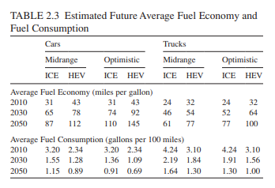
 | LDV sales - percentage cars | 52%
 | LDV sales - percentage trucks | 48%

 | Midrange |  |  |  |  | Optimistic
 |  | 2030 | 2050 | interpolated 2035 |  |  | 2030 | 2050 | interpolated 2035
 | cars | 65 | 87 | 70.5 |  | cars | 74 | 110 | 83
 | trucks | 46 | 61 | 49.75 |  | trucks | 52 | 77 | 58.25

 | weighted average fuel economy | 60.6 |  |  |  | weighted average fuel economy | 71.1

File trans/BNVFE, tab BNVFE-LDVs-psgr
Fuel Economy (thing*miles/BTU) | 2019 | 2020 | 2021 | 2022 | 2023 | 2024 | 2025 | 2026 | 2027 | 2028 | 2029 | 2030 | 2031 | 2032 | 2033 | 2034 | 2035 | 2036 | 2037 | 2038 | 2039 | 2040 | 2041 | 2042 | 2043 | 2044 | 2045 | 2046 | 2047 | 2048 | 2049 | 2050
gasoline vehicle | 0.00039302341511 | 0.00040252878212 | 0.0004158825255 | 0.00043438277377 | 0.0004504621869 | 0.00046680999238 | 0.00048865302584 | 0.00048980917518 | 0.0004902127581 | 0.00049056242905 | 0.00049105320515 | 0.00049209066768 | 0.00049276063377 | 0.00049296812589 | 0.00049332022147 | 0.00049351809386 | 0.00049341566542 | 0.0004930974111 | 0.0004924922744 | 0.00049198199782 | 0.00049157938185 | 0.0004909840559 | 0.00049041708036 | 0.00049008041181 | 0.00048963831613 | 0.00048910335375 | 0.0004886754638 | 0.00048800062632 | 0.00048745896901 | 0.00048686916251 | 0.00048614121098 | 0.00048537273185
fuel economy, mpg (on-road) | 28.35 | 29.04 | 30.00 | 31.34 | 32.50 | 33.68 | 35.25 | 35.34 | 35.36 | 35.39 | 35.43 | 35.50 | 35.55 | 35.56 | 35.59 | 35.60 | 35.60 | 35.57 | 35.53 | 35.49 | 35.46 | 35.42 | 35.38 | 35.36 | 35.32 | 35.28 | 35.25 | 35.21 | 35.17 | 35.12 | 35.07 | 35.02
fuel economy , mpg (tested) | 34.752996899 | 35.593498895 | 36.77473038 | 38.410777368 | 39.832751094 | 41.278180442 | 43.20960338 | 43.311716704 | 43.346960592 | 43.377473122 | 43.420449601 | 43.511595282 | 43.570466947 | 43.588485927 | 43.61920296 | 43.636270743 | 43.626889178 | 43.598477563 | 43.544813779 | 43.499503238 | 43.463676881 | 43.410917731 | 43.360660493 | 43.330672279 | 43.291419537 | 43.244008336 | 43.206001424 | 43.146288767 | 43.098264316 | 43.046001645 | 42.981592433 | 42.913614408

Annual Improvement Rate (calibrated to target a tested fuel economy of 70 mpg in 2035) | 5.0%

 | 2019 | 2020 | 2021 | 2022 | 2023 | 2024 | 2025 | 2026 | 2027 | 2028 | 2029 | 2030 | 2031 | 2032 | 2033 | 2034 | 2035
tested fuel economy with annual improvement rate applied after 2025 |  |  |  |  |  |  | 43.20960338 | 45.370083549 | 47.638587726 | 50.020517112 | 52.521542968 | 55.147620117 | 57.905001122 | 60.800251178 | 63.840263737 | 67.032276924 | 70.38389077
converted back to on-road (thing*miles/BTU) |  |  |  |  |  |  | 0.00048865302584 | 0.00051308710188 | 0.00053874696547 | 0.00056568962208 | 0.00059397984707 | 0.00062368729595 | 0.00065487719208 | 0.00068762622146 | 0.00072201440898 | 0.00075812256572 | 0.00079603462345
percent improvement over BAU |  |  |  |  |  |  | 0% | 5% | 10% | 15% | 21% | 27% | 33% | 39% | 46% | 54% | 61%

Freight HDV Calculations:
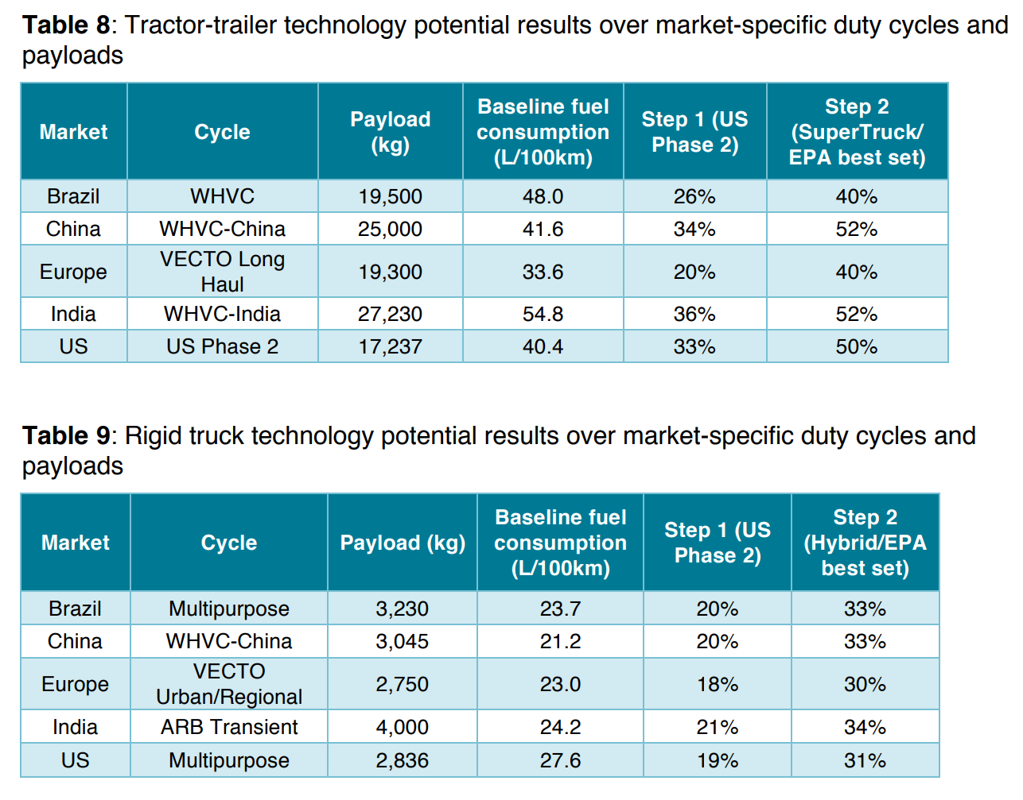

 |  |  |  |  |  |  | Weighted Percentage Reduction in Fuel Consumption (fuel consumption / distance) | 36.1%

 |  |  |  |  |  |  | Improvement (distance / fuel consumption) | 56.4%

2015 fuel economy (from AEO 2017) | 0.00083231522277

File trans/BNVFE, tab BNVFE-HDVs-frgt
Fuel Economy (thing*miles/BTU) | 2019 | 2020 | 2021 | 2022 | 2023 | 2024 | 2025 | 2026 | 2027 | 2028 | 2029 | 2030 | 2031 | 2032 | 2033 | 2034 | 2035 | 2036 | 2037 | 2038 | 2039 | 2040 | 2041 | 2042 | 2043 | 2044 | 2045 | 2046 | 2047 | 2048 | 2049 | 2050
diesel vehicle | 0.00085105083957 | 0.00086362564386 | 0.00088653807875 | 0.0008960981288 | 0.00091508948578 | 0.00093906247999 | 0.00096635462561 | 0.00099541634898 | 0.0010252479702 | 0.0010404843582 | 0.0010621819981 | 0.0010805863283 | 0.0010975962518 | 0.0011082261735 | 0.0011115937491 | 0.0011135572564 | 0.0011171336612 | 0.0011206100748 | 0.0011235212292 | 0.0011259730524 | 0.0011281614527 | 0.0011294211798 | 0.0011306625149 | 0.0011324246428 | 0.0011342436923 | 0.0011368047027 | 0.0011399612374 | 0.0011432056572 | 0.0011458748072 | 0.0011490346012 | 0.0011517386724 | 0.0011549563193

Target 2030 Fuel Economy | 0.0013015240501
Percent Improvement Over BAU | 20%
2050 policy setting | 30%
Achieved mpg | 12.8985233

*This ICCT report only gives fuel economy potential through 2030, which equates to 20% above the EPS BAU. We assume we can achieve another 10% improvement between 2030 and 2050.
**Most buses have diesel engines that are also used in trucks (see NREL, page 22). We therefore apply the same percentage improvement settings for passenger HDVs.
***We delay these settings to only start ramping in starting in 2027, when current Phase II standards expire

Aircraft Calculations:

 |  |  |  |  |  |  |  |  |  |  |  | Moderate Case

 |  |  |  |  |  |  |  |  |  |  |  | 2034 Percentage Reduction in Fuel Consumption (fuel consumption / distance) | 46%

 |  |  |  |  |  |  |  |  |  |  |  | Average 2034 Improvement (distance / fuel consumption) | 86%

File trans/BNVFE, tab BNVFE-aircraft-psgr
Psgr Aircraft Fuel Economy (thing*miles/BTU) | 2019 | 2020 | 2021 | 2022 | 2023 | 2024 | 2025 | 2026 | 2027 | 2028 | 2029 | 2030 | 2031 | 2032 | 2033 | 2034 | 2035 | 2036 | 2037 | 2038 | 2039 | 2040 | 2041 | 2042 | 2043 | 2044 | 2045 | 2046 | 2047 | 2048 | 2049 | 2050
diesel vehicle | 0.00047605911235 | 0.00047480173222 | 0.00047838832128 | 0.00048180662794 | 0.00048535185815 | 0.00048886787491 | 0.00048855312085 | 0.00049500357747 | 0.00050135447221 | 0.00050747973432 | 0.00051421021066 | 0.00051438055444 | 0.00051706010497 | 0.00051984492417 | 0.00052263735161 | 0.00052532965911 | 0.00052580897011 | 0.00052913791332 | 0.00053249321386 | 0.0005359789573 | 0.0005396938738 | 0.00054332897917 | 0.00054434285607 | 0.00054560866611 | 0.00054683650781 | 0.00054816216462 | 0.00054970297538 | 0.00055100259006 | 0.00055227728949 | 0.00055335793375 | 0.00055430857543 | 0.00055517032327

BAU percent increase from 2016 to 2034 aircraft | 13%

Target 2034 Fuel Economy | 0.00082489677336
Percent Improvement Over BAU | 57%

Ship Calculations:
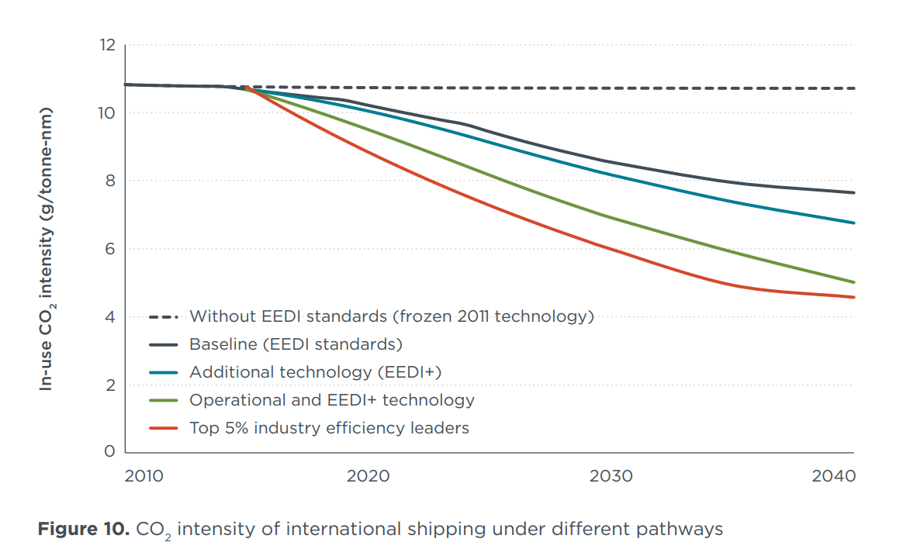

 |  |  |  |  |  | EEDI = ship CO2 emissions per ton-mile

 |  |  |  |  |  | 2040 Percentage Reduction in Fuel Consumption (fuel consumption / distance) | 47% |  |  | Baseline, number of pixels | 286
 |  |  |  |  |  |  |  |  |  | Operational and EEDI+ technology, number of pixels | 153
 |  |  |  |  |  | 2040 Improvement (distance / fuel consumption) | 87%

File trans/BNVFE, tab BNVFE-ships-frgt
Freight Ship Fuel Economy (thing*miles/BTU) | 2019 | 2020 | 2021 | 2022 | 2023 | 2024 | 2025 | 2026 | 2027 | 2028 | 2029 | 2030 | 2031 | 2032 | 2033 | 2034 | 2035 | 2036 | 2037 | 2038 | 2039 | 2040 | 2041 | 2042 | 2043 | 2044 | 2045 | 2046 | 2047 | 2048 | 2049 | 2050
diesel vehicle | 0.0051465910288 | 0.0051465910288 | 0.0051465910288 | 0.0051465910288 | 0.0051465910288 | 0.0051465910288 | 0.0051465910288 | 0.0051465910288 | 0.0051465910288 | 0.0051465910288 | 0.0051465910288 | 0.0051465910288 | 0.0051465910288 | 0.0051465910288 | 0.0051465910288 | 0.0051465910288 | 0.0051465910288 | 0.0051465910288 | 0.0051465910288 | 0.0051465910288 | 0.0051465910288 | 0.0051465910288 | 0.0051465910288 | 0.0051465910288 | 0.0051465910288 | 0.0051465910288 | 0.0051465910288 | 0.0051465910288 | 0.0051465910288 | 0.0051465910288 | 0.0051465910288 | 0.0051465910288

Target 2040 Fuel Economy | 0.0096204250605
Percent Improvement Over BAU | 87%

Rail Calculations:

 |  |  |  |  |  | 2050 Percentage Reduction in Fuel Consumption (fuel consumption / distance) | 35%

 |  |  |  |  |  | 2040 Improvement (distance / fuel consumption) | 54%

2010 fuel economy | 0.003439866

File trans/BNVFE, tab BNVFE-rail-frgt
Freight Rail Fuel Economy (thing*miles/BTU) | 2019 | 2020 | 2021 | 2022 | 2023 | 2024 | 2025 | 2026 | 2027 | 2028 | 2029 | 2030 | 2031 | 2032 | 2033 | 2034 | 2035 | 2036 | 2037 | 2038 | 2039 | 2040 | 2041 | 2042 | 2043 | 2044 | 2045 | 2046 | 2047 | 2048 | 2049 | 2050
diesel vehicle | 0.003466884 | 0.003489371 | 0.003512003 | 0.003534782 | 0.00355771 | 0.003580785 | 0.00360401 | 0.003627386 | 0.003650914 | 0.003674594 | 0.003698428 | 0.003722416 | 0.00374656 | 0.00377086 | 0.003795318 | 0.003819935 | 0.003844712 | 0.003869649 | 0.003894748 | 0.003920009 | 0.003945435 | 0.003971025 | 0.003996782 | 0.004022705 | 0.004048797 | 0.004075058 | 0.004101489 | 0.004128091 | 0.004154866 | 0.004181815 | 0.004208939 | 0.004236238

Target 2050 Fuel Economy | 0.0052921015385
Percent Improvement Over BAU | 25%

Mode shifting
Sources:
International Energy Agency
2009
Transport, Energy and CO2: Moving toward Sustainability
http://www.iea.org/publications/freepublications/publication/transport2009.pdf
Figures 5.12 and 6.7

U.S. Federal Highway Administration
2013
Freight Facts and Figures
https://ops.fhwa.dot.gov/freight/freight_analysis/nat_freight_stats/docs/13factsfigures/pdfs/fff2013_highres.pdf
Page 34, last paragraph

Vensim Policy Name:
Percent of Travel Demand Shifted to Other Modes or Eliminated

Policy Setting:
passenger LDV | 20%
freight HDV | 6%

Implementation Schedule Settings:
passenger LDV | 2019 | 2020 | 2050
 | 0% | 0% | 100%
freight HDV | 2019 | 2020 | 2050
 | 0% | 0% | 100%

Explanation of Methodology:
We use the IEA BLUE Shifts scenario as guidance for the maximum reduction in travel demand for passenger LDVs. We choose values of 20% for passenger LDVs. See file trans/RTMF for assumptions on share of trips eliminated and recipient mode fractions for trips shifted. For freight, we assume 25% of miles driven by empty trucks can be eliminated through improved freight logistics.

Calculations:
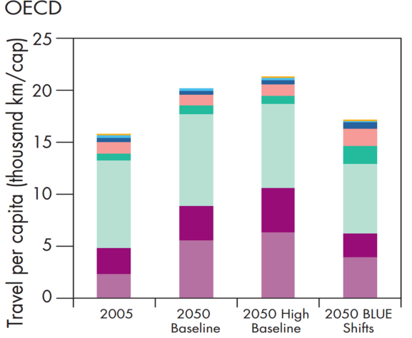

 |  |  |  | On the left is a screenshot of part of Figure 5.12 (OECD nations).

 |  |  |  |  | Size in Pixels
 |  |  |  | Scenario | 3-wheelers | 2-wheelers | Mini-buses | Buses | Rail | Cars | Light Trucks | Air | Total
 |  |  |  | 2050 Baseline | 0 | 6 | 9 | 25 | 21 | 215 | 81 | 134 | 491
 |  |  |  | 2050 BLUE Shifts | 4 | 3 | 15 | 40 | 43 | 163 | 56 | 94 | 418

 |  |  |  | On the left is a screenshot of part of Figure 6.7.

Passenger*km per capita
Scenario | LDVs
2050 Baseline | 215
2050 BLUE Shifts | 163
% Change due to TDM Package | -24.2%

We assume 25% of empty trips can be eliminated
6.25%

Bldg Efficiency
Sources:
Equipment Stock
U.S. Energy Information Administration
2020
Annual Energy Outlook 2020
https://www.eia.gov/outlooks/aeo/
Tables 5, 21, and 22

Residential Equipment Efficiencies
U.S. Energy Information Administration
2018
Updated Buildings Sector Appliance and Equipment Costs and Efficiency
https://www.eia.gov/analysis/studies/buildings/equipcosts/
Appendix A

Lighting Settings
U.S. Energy Information Administration
2018
Updated Buildings Sector Appliance and Equipment Costs and Efficiency
https://www.eia.gov/analysis/studies/buildings/equipcosts/
page 440, Performance/Cost Characteristics, Residential General Service LED Lamps (60 Watt Equivalent)

Envelope Settings
U.S. Department of Energy
2015
Quadrennial Technology Review 2015, Chapter 5: Increasing Efficiency of Building Systems and Technologies
https://www.energy.gov/sites/prod/files/2015/10/f27/Ch5-SI-building-technologies-potential-savings-analysis-10-6-15.pdf
Figures 2 and 3

Other Component Settings
California Energy Commission
Assessment of Long-Term Electric Energy Efficiency Potential in California's Residential Sector
2007
https://citeseerx.ist.psu.edu/viewdoc/download?doi=10.1.1.415.3688&rep=rep1&type=pdf
Table 5.1

Vensim Policy Name:
Reduction in E Use Allowed by Component Eff Std

Policy Setting:
residential, heating | 11.1%
residential, cooling | 13.6%
residential, envelope | 75%
residential, lighting | 20%
residential, appliances | 14.2%
residential, other components | 11%
commercial, heating | 15.9%
commercial, cooling | 13.3%
commercial, envelope | 75%
commercial, lighting | 20%
commercial, appliances | 14.2%
commercial, other components | 11%

Implementation Schedule Settings:
heating, residential | 2019 | 2020 | 2021 | 2029 | 2030 | 2050
 | 0.0% | 0.0% | 100% | 49% | 21% | 21%
cooling, residential | 2019 | 2020 | 2021 | 2029 | 2030 | 2050
 | 0.0% | 0.0% | 95% | 100% | 86% | 86%
envelope, residential | 2019 | 2020 | 2050
 | 0.0% | 0% | 100%
appliances, residential | 2019 | 2020 | 2021 | 2030 | 2050
 | 0.0% | 0.0% | 100% | 15% | 15%
lighting, residential | 2019 | 2020 | 2021 | 2030 | 2050
 | 0.0% | 0% | 63% | 83% | 100%
other components, residential | 2019 | 2020 | 2021 | 2050
 | 0.0% | 0% | 100% | 100%
heating, commercial | 2019 | 2020 | 2021 | 2030 | 2050
 | 0.0% | 0% | 76% | 100% | 100%
cooling, commercial | 2019 | 2020 | 2021 | 2050
 | 0.0% | 0% | 100% | 100%
envelope, commercial | 2019 | 2020 | 2050
 | 0.0% | 0% | 100%
appliances, commercial | 2019 | 2020 | 2021 | 2030 | 2050
 | 0.0% | 0.0% | 100.0% | 15.1% | 15.1%
lighting, commercial | 2019 | 2020 | 2021 | 2030 | 2050
 | 0.0% | 0% | 63% | 83% | 100%
other components, commercial | 2019 | 2020 | 2021 | 2050
 | 0.0% | 0% | 100% | 100%

Explanation of Methodology:
For residential and commercial heating, cooling, lighting, and appliances, we apply a maximum efficiency improvement, calculated for the BAU case based on EIA projections on building component stock and typical/maximum equipment efficiencies for each component type. For all component types, the delta between typical and maximum efficiencies is much larger for gas equipment than for electric equipment. Therefore, we weight the annual efficiency potential by the electric sales share used in the policy scenario (see Bldg Electrification tab). We base our building envelope settings off a Department of Energy report showing efficiency potential by end use. We pull potential improvements for other components from a California Energy Commission report and start the standards at the maximum identified value.

Residential Heating, Cooling, and Appliance Calculations:
 | 2019 | 2020 | 2021 | 2022 | 2023 | 2024 | 2025 | 2026 | 2027 | 2028 | 2029 | 2030 | 2031 | 2032 | 2033 | 2034 | 2035 | 2036 | 2037 | 2038 | 2039 | 2040 | 2041 | 2042 | 2043 | 2044 | 2045 | 2046 | 2047 | 2048 | 2049 | 2050
Stock - BAU
Heating
Gas Furnace | 59.438393 | 60.053783 | 60.696262 | 61.354958 | 62.008762 | 62.656101 | 63.307636 | 63.944702 | 64.557594 | 65.158264 | 65.749489 | 66.345253 | 66.956421 | 67.545906 | 68.128838 | 68.711525 | 69.298073 | 69.872345 | 70.433395 | 70.98632 | 71.526077 | 72.064552 | 72.601242 | 73.135117 | 73.673904 | 74.224861 | 74.787422 | 75.357697 | 75.930786 | 76.499725 | 77.064392 | 77.623024
Electric Other | 29.549322 | 29.594299 | 29.651693 | 29.713057 | 29.77392 | 29.835207 | 29.899117 | 29.961113 | 30.01981 | 30.080587 | 30.143085 | 30.2124 | 30.291456 | 30.36973 | 30.445864 | 30.521585 | 30.596947 | 30.667854 | 30.735598 | 30.800854 | 30.864176 | 30.928652 | 30.995289 | 31.064692 | 31.137754 | 31.216146 | 31.299526 | 31.387476 | 31.479218 | 31.572081 | 31.664917 | 31.756903
HPs | 12.16011 | 12.356359 | 12.561438 | 12.768275 | 12.969971 | 13.170581 | 13.373747 | 13.573628 | 13.767446 | 13.959652 | 14.15049 | 14.344805 | 14.546087 | 14.742549 | 14.937459 | 15.13332 | 15.331637 | 15.527777 | 15.722246 | 15.913109 | 16.099663 | 16.285965 | 16.472515 | 16.659491 | 16.84948 | 17.044689 | 17.245098 | 17.44972 | 17.657482 | 17.865902 | 18.074654 | 18.282888

Cooling
Central AC | 60.295593 | 61.659401 | 63.049793 | 64.447495 | 65.831573 | 67.20433 | 68.576195 | 69.92765 | 71.252106 | 72.56498 | 73.868324 | 75.178391 | 76.506401 | 77.81308 | 79.110115 | 80.403725 | 81.69751 | 82.973282 | 84.231598 | 85.474648 | 86.698898 | 87.917801 | 89.132347 | 90.340088 | 91.548882 | 92.766747 | 93.993492 | 95.225937 | 96.458725 | 97.684113 | 98.901451 | 100.108894
Room AC | 57.229259 | 57.03978 | 56.860523 | 56.686279 | 56.515057 | 56.347305 | 56.184425 | 56.023636 | 55.863304 | 55.707111 | 55.554379 | 55.408016 | 55.270405 | 55.134808 | 55.001698 | 54.871304 | 54.743553 | 54.614204 | 54.483662 | 54.351891 | 54.219406 | 54.088936 | 53.961494 | 53.837547 | 53.717728 | 53.60334 | 53.49408 | 53.389553 | 53.288292 | 53.188225 | 53.08881 | 52.989456
HPs | 12.160114 | 12.356362 | 12.56144 | 12.768272 | 12.969972 | 13.170576 | 13.373746 | 13.57362 | 13.767444 | 13.959651 | 14.150494 | 14.344804 | 14.546089 | 14.742554 | 14.937462 | 15.133318 | 15.331645 | 15.527781 | 15.722242 | 15.913114 | 16.099663 | 16.285961 | 16.472521 | 16.659492 | 16.849482 | 17.044695 | 17.245104 | 17.44972 | 17.657476 | 17.865906 | 18.074648 | 18.282896

Water Heating
Electric | 57.77692 | 58.061268 | 58.384941 | 58.789562 | 59.15506 | 59.481335 | 59.774948 | 60.028831 | 60.256699 | 60.472145 | 60.676491 | 60.882179 | 61.122875 | 61.374146 | 61.63382 | 61.904572 | 62.190685 | 62.476959 | 62.766125 | 63.053997 | 63.330315 | 63.604317 | 63.875179 | 64.142838 | 64.414886 | 64.693832 | 64.982079 | 65.279572 | 65.582825 | 65.888924 | 66.198189 | 66.508232
Gas | 59.147831 | 59.597881 | 60.112255 | 60.690266 | 61.282101 | 61.890842 | 62.527203 | 63.169868 | 63.795467 | 64.414894 | 65.030205 | 65.651466 | 66.281273 | 66.88147 | 67.46946 | 68.05191 | 68.629738 | 69.189568 | 69.728752 | 70.253639 | 70.7677 | 71.281349 | 71.796104 | 72.308434 | 72.822861 | 73.349304 | 73.885506 | 74.42662 | 74.968903 | 75.503944 | 76.030334 | 76.547752

Share of Stock - BAU
Heating
Gas Furnace | 59% | 59% | 59% | 59% | 59% | 59% | 59% | 59% | 60% | 60% | 60% | 60% | 60% | 60% | 60% | 60% | 60% | 60% | 60% | 60% | 60% | 60% | 60% | 61% | 61% | 61% | 61% | 61% | 61% | 61% | 61% | 61%
Electric Other | 29% | 29% | 29% | 29% | 28% | 28% | 28% | 28% | 28% | 28% | 27% | 27% | 27% | 27% | 27% | 27% | 27% | 26% | 26% | 26% | 26% | 26% | 26% | 26% | 26% | 25% | 25% | 25% | 25% | 25% | 25% | 25%
HPs | 12% | 12% | 12% | 12% | 12% | 12% | 13% | 13% | 13% | 13% | 13% | 13% | 13% | 13% | 13% | 13% | 13% | 13% | 13% | 14% | 14% | 14% | 14% | 14% | 14% | 14% | 14% | 14% | 14% | 14% | 14% | 14%

Cooling
Central AC | 46% | 47% | 48% | 48% | 49% | 49% | 50% | 50% | 51% | 51% | 51% | 52% | 52% | 53% | 53% | 53% | 54% | 54% | 55% | 55% | 55% | 56% | 56% | 56% | 56% | 57% | 57% | 57% | 58% | 58% | 58% | 58%
Room AC | 44% | 44% | 43% | 42% | 42% | 41% | 41% | 40% | 40% | 39% | 39% | 38% | 38% | 37% | 37% | 36% | 36% | 36% | 35% | 35% | 35% | 34% | 34% | 33% | 33% | 33% | 32% | 32% | 32% | 32% | 31% | 31%
HPs | 9% | 9% | 9% | 10% | 10% | 10% | 10% | 10% | 10% | 10% | 10% | 10% | 10% | 10% | 10% | 10% | 10% | 10% | 10% | 10% | 10% | 10% | 10% | 10% | 10% | 10% | 10% | 11% | 11% | 11% | 11% | 11%

Water Heating
Electric | 49% | 49% | 49% | 49% | 49% | 49% | 49% | 49% | 49% | 48% | 48% | 48% | 48% | 48% | 48% | 48% | 48% | 47% | 47% | 47% | 47% | 47% | 47% | 47% | 47% | 47% | 47% | 47% | 47% | 47% | 47% | 46%
Gas | 51% | 51% | 51% | 51% | 51% | 51% | 51% | 51% | 51% | 52% | 52% | 52% | 52% | 52% | 52% | 52% | 52% | 53% | 53% | 53% | 53% | 53% | 53% | 53% | 53% | 53% | 53% | 53% | 53% | 53% | 53% | 54%

AEO Average Equipment Efficiency
Heating
Gas Furnace (AFUE) | 82% | 82% | 82% | 83% | 83% | 84% | 84% | 84% | 85% | 85% | 85% | 86% | 86% | 86% | 86% | 86% | 87% | 87% | 87% | 87% | 87% | 87% | 87% | 87% | 87% | 87% | 87% | 87% | 87% | 87% | 87% | 87%
Electric Other (AFUE) | 98% | 98% | 98% | 98% | 98% | 98% | 98% | 98% | 98% | 98% | 98% | 98% | 98% | 98% | 98% | 98% | 98% | 98% | 98% | 98% | 98% | 98% | 98% | 98% | 98% | 98% | 98% | 98% | 98% | 98% | 98% | 98%
HPs (HSPF) | 8.1 | 8.1 | 8.1 | 8.2 | 8.2 | 8.3 | 8.3 | 8.4 | 8.4 | 8.4 | 8.5 | 8.5 | 8.5 | 8.6 | 8.6 | 8.6 | 8.6 | 8.6 | 8.6 | 8.6 | 8.6 | 8.6 | 8.7 | 8.7 | 8.7 | 8.7 | 8.7 | 8.7 | 8.7 | 8.7 | 8.7 | 8.7

Cooling
Central AC (SEER) | 13.1 | 13.2 | 13.3 | 13.5 | 13.7 | 13.8 | 14.0 | 14.2 | 14.3 | 14.4 | 14.5 | 14.6 | 14.7 | 14.8 | 14.8 | 14.9 | 14.9 | 15.0 | 15.0 | 15.0 | 15.0 | 15.1 | 15.1 | 15.1 | 15.1 | 15.1 | 15.1 | 15.2 | 15.2 | 15.2 | 15.2 | 15.2
Room AC (EER) | 11.1 | 11.2 | 11.2 | 11.3 | 11.4 | 11.5 | 11.5 | 11.6 | 11.6 | 11.7 | 11.7 | 11.8 | 11.8 | 11.8 | 11.9 | 11.9 | 11.9 | 11.9 | 12.0 | 12.0 | 12.0 | 12.0 | 12.1 | 12.1 | 12.1 | 12.1 | 12.1 | 12.1 | 12.1 | 12.1 | 12.2 | 12.2
HPs (SEER) | 13.6 | 13.8 | 13.9 | 14.0 | 14.2 | 14.4 | 14.5 | 14.7 | 14.8 | 14.9 | 15.1 | 15.2 | 15.3 | 15.3 | 15.4 | 15.5 | 15.5 | 15.6 | 15.6 | 15.6 | 15.6 | 15.6 | 15.6 | 15.6 | 15.6 | 15.7 | 15.7 | 15.7 | 15.7 | 15.7 | 15.7 | 15.7

Water Heating
Electric (EF) | 0.9 | 0.9 | 0.9 | 0.9 | 0.9 | 0.9 | 0.9 | 0.9 | 0.9 | 0.9 | 1.0 | 1.0 | 1.0 | 1.0 | 1.0 | 1.0 | 1.0 | 1.0 | 1.0 | 1.0 | 1.0 | 1.0 | 1.0 | 1.0 | 1.0 | 1.0 | 1.0 | 1.0 | 1.0 | 1.0 | 1.0 | 1.0
Gas (EF) | 0.6 | 0.6 | 0.6 | 0.6 | 0.6 | 0.6 | 0.6 | 0.6 | 0.6 | 0.6 | 0.6 | 0.6 | 0.6 | 0.6 | 0.6 | 0.6 | 0.6 | 0.6 | 0.6 | 0.6 | 0.6 | 0.6 | 0.6 | 0.6 | 0.6 | 0.6 | 0.6 | 0.6 | 0.6 | 0.6 | 0.6 | 0.6

EIA Typical Equipment Efficiency
Heating
Gas Furnace | 80% | 80% | 80% | 80% | 80% | 80% | 80% | 80% | 80% | 80% | 80% | 80% | 80% | 80% | 80% | 80% | 80% | 80% | 80% | 80% | 80% | 80% | 80% | 80% | 80% | 80% | 80% | 80% | 80% | 80% | 80% | 80%
Electric Other | 98% | 98% | 98% | 98% | 98% | 98% | 98% | 98% | 98% | 98% | 98% | 98% | 98% | 98% | 98% | 98% | 98% | 98% | 98% | 98% | 98% | 98% | 98% | 98% | 98% | 98% | 98% | 98% | 98% | 98% | 98% | 98%
HPs | 8.6 | 8.6 | 8.6 | 8.6 | 8.6 | 8.6 | 8.6 | 8.6 | 8.6 | 8.6 | 8.6 | 8.8 | 8.8 | 8.8 | 8.8 | 8.8 | 8.8 | 8.8 | 8.8 | 8.8 | 8.8 | 8.8 | 8.8 | 8.8 | 8.8 | 8.8 | 8.8 | 8.8 | 8.8 | 8.8 | 8.8 | 8.8

Cooling
Central AC | 13.9 | 13.9 | 13.9 | 13.9 | 13.9 | 13.9 | 13.9 | 13.9 | 13.9 | 13.9 | 13.9 | 14.4 | 14.4 | 14.4 | 14.4 | 14.4 | 14.4 | 14.4 | 14.4 | 14.4 | 14.4 | 14.4 | 14.4 | 14.4 | 14.4 | 14.4 | 14.4 | 14.4 | 14.4 | 14.4 | 14.4 | 14.4
Room AC | 12.0 | 12.0 | 12.0 | 12.0 | 12.0 | 12.0 | 12.0 | 12.0 | 12.0 | 12.0 | 12.0 | 12.3 | 12.3 | 12.3 | 12.3 | 12.3 | 12.3 | 12.3 | 12.3 | 12.3 | 12.3 | 12.5 | 12.5 | 12.5 | 12.5 | 12.5 | 12.5 | 12.5 | 12.5 | 12.5 | 12.5 | 12.5
HPs | 15.3 | 15.3 | 15.3 | 15.3 | 15.3 | 15.3 | 15.3 | 15.3 | 15.3 | 15.3 | 15.3 | 15.8 | 15.8 | 15.8 | 15.8 | 15.8 | 15.8 | 15.8 | 15.8 | 15.8 | 15.8 | 15.8 | 15.8 | 15.8 | 15.8 | 15.8 | 15.8 | 15.8 | 15.8 | 15.8 | 15.8 | 15.8

Water Heating
Electric | 0.9 | 0.9 | 0.9 | 0.9 | 0.9 | 0.9 | 0.9 | 0.9 | 0.9 | 0.9 | 0.9 | 0.9 | 0.9 | 0.9 | 0.9 | 0.9 | 0.9 | 0.9 | 0.9 | 0.9 | 0.9 | 0.9 | 0.9 | 0.9 | 0.9 | 0.9 | 0.9 | 0.9 | 0.9 | 0.9 | 0.9 | 0.9
Gas | 0.6 | 0.6 | 0.6 | 0.6 | 0.6 | 0.6 | 0.6 | 0.6 | 0.6 | 0.6 | 0.6 | 0.6 | 0.6 | 0.6 | 0.6 | 0.6 | 0.6 | 0.6 | 0.6 | 0.6 | 0.6 | 0.6 | 0.6 | 0.6 | 0.6 | 0.6 | 0.6 | 0.6 | 0.6 | 0.6 | 0.6 | 0.6

Maximum Equipment Efficiency
Heating
Gas Furnace | 99% | 99% | 99% | 99% | 99% | 99% | 99% | 99% | 99% | 99% | 99% | 99% | 99% | 99% | 99% | 99% | 99% | 99% | 99% | 99% | 99% | 99% | 99% | 99% | 99% | 99% | 99% | 99% | 99% | 99% | 99% | 99%
Electric Other | 98% | 98% | 98% | 98% | 98% | 98% | 98% | 98% | 98% | 98% | 98% | 98% | 98% | 98% | 98% | 98% | 98% | 98% | 98% | 98% | 98% | 98% | 98% | 98% | 98% | 98% | 98% | 98% | 98% | 98% | 98% | 98%
HPs | 9 | 9 | 9 | 9 | 9 | 9 | 9 | 9 | 9 | 9 | 9 | 9 | 9 | 9 | 9 | 9 | 9 | 9 | 9 | 9 | 9 | 9 | 9 | 9 | 9 | 9 | 9 | 9 | 9 | 9 | 9 | 9

Cooling
Central AC | 16.5 | 16.5 | 16.5 | 16.5 | 16.5 | 16.5 | 16.5 | 16.5 | 16.5 | 16.5 | 16.5 | 16.5 | 16.5 | 16.5 | 16.5 | 16.5 | 16.5 | 16.5 | 16.5 | 16.5 | 16.5 | 16.5 | 16.5 | 16.5 | 16.5 | 16.5 | 16.5 | 16.5 | 16.5 | 16.5 | 16.5 | 16.5
Room AC | 12.5 | 12.5 | 12.5 | 12.5 | 12.5 | 12.5 | 12.5 | 12.5 | 12.5 | 12.5 | 12.5 | 13 | 13 | 13 | 13 | 13 | 13 | 13 | 13 | 13 | 13 | 13.5 | 13.5 | 13.5 | 13.5 | 13.5 | 13.5 | 13.5 | 13.5 | 13.5 | 13.5 | 13.5
HPs | 19 | 19 | 19 | 19 | 19 | 19 | 19 | 19 | 19 | 19 | 19 | 19 | 19 | 19 | 19 | 19 | 19 | 19 | 19 | 19 | 19 | 19 | 19 | 19 | 19 | 19 | 19 | 19 | 19 | 19 | 19 | 19

Water Heating
Electric WH | 0.95 | 0.95 | 0.95 | 0.95 | 0.95 | 0.95 | 0.95 | 0.95 | 0.95 | 0.95 | 0.95 | 0.95 | 0.95 | 0.95 | 0.95 | 0.95 | 0.95 | 0.95 | 0.95 | 0.95 | 0.95 | 0.95 | 0.95 | 0.95 | 0.95 | 0.95 | 0.95 | 0.95 | 0.95 | 0.95 | 0.95 | 0.95
Gas WH | 0.81 | 0.81 | 0.81 | 0.81 | 0.81 | 0.81 | 0.81 | 0.81 | 0.81 | 0.81 | 0.81 | 0.81 | 0.81 | 0.81 | 0.81 | 0.81 | 0.81 | 0.81 | 0.81 | 0.81 | 0.81 | 0.81 | 0.81 | 0.81 | 0.81 | 0.81 | 0.81 | 0.81 | 0.81 | 0.81 | 0.81 | 0.81
HPWH | 3.55 | 3.55 | 3.55 | 3.55 | 3.55 | 3.55 | 3.55 | 3.55 | 3.55 | 3.55 | 3.55 | 3.55 | 3.55 | 3.55 | 3.55 | 3.55 | 3.55 | 3.55 | 3.55 | 3.55 | 3.55 | 3.55 | 3.55 | 3.55 | 3.55 | 3.55 | 3.55 | 3.55 | 3.55 | 3.55 | 3.55 | 3.55

Weighted Average Efficiency Improvement

wrt AEO Average Efficiencies
Heating | 11.6% | 11.4% | 11.1% | 10.9% | 10.6% | 10.3% | 10.0% | 9.7% | 9.4% | 9.2% | 9.0% | 8.8% | 8.6% | 8.4% | 8.3% | 8.2% | 8.1% | 8.0% | 8.0% | 7.9% | 7.9% | 7.9% | 7.9% | 7.9% | 7.9% | 7.9% | 7.9% | 7.9% | 7.9% | 7.9% | 7.9% | 8.0%

Cooling | 21.5% | 20.6% | 19.7% | 18.8% | 17.5% | 16.3% | 15.3% | 14.3% | 13.5% | 12.8% | 12.1% | 13.1% | 12.6% | 12.2% | 11.8% | 11.4% | 11.1% | 10.9% | 10.7% | 10.6% | 10.4% | 11.7% | 11.5% | 11.4% | 11.3% | 11.2% | 11.1% | 11.0% | 10.9% | 10.9% | 10.8% | 10.8%

Water Heating (with regular electric WH) | 19.9% | 19.0% | 18.2% | 17.4% | 16.8% | 16.2% | 15.6% | 15.2% | 14.8% | 14.6% | 14.4% | 14.2% | 14.1% | 14.0% | 14.0% | 13.9% | 13.9% | 13.9% | 13.9% | 13.9% | 13.9% | 13.9% | 13.9% | 14.0% | 14.0% | 14.0% | 14.0% | 14.0% | 14.0% | 14.1% | 14.1% | 14.1%

Water Heating (with HPWH) | 162.1% | 160.2% | 158.3% | 156.6% | 154.9% | 153.2% | 151.6% | 150.0% | 148.5% | 147.3% | 146.1% | 145.1% | 144.3% | 143.5% | 142.9% | 142.4% | 141.9% | 141.6% | 141.3% | 141.1% | 141.0% | 140.8% | 140.6% | 140.4% | 140.2% | 140.1% | 139.9% | 139.7% | 139.6% | 139.4% | 139.3% | 139.1%

wrt EIA Typical Efficiencies
Heating | 11.7% | 11.7% | 11.8% | 11.8% | 11.8% | 11.8% | 11.9% | 11.9% | 11.9% | 11.9% | 12.0% | 11.7% | 11.7% | 11.7% | 11.7% | 11.7% | 11.7% | 11.7% | 11.8% | 11.8% | 11.8% | 11.8% | 11.8% | 11.8% | 11.8% | 11.8% | 11.8% | 11.8% | 11.9% | 11.9% | 11.9% | 11.9%

Cooling | 12.8% | 12.9% | 13.0% | 13.1% | 13.2% | 13.2% | 13.3% | 13.4% | 13.5% | 13.5% | 13.6% | 11.7% | 11.8% | 11.8% | 11.9% | 11.9% | 11.9% | 12.0% | 12.0% | 12.1% | 12.1% | 12.9% | 12.9% | 13.0% | 13.0% | 13.0% | 13.0% | 13.1% | 13.1% | 13.1% | 13.1% | 13.2%

Water Heating (with regular electric WH) | 15.5% | 15.5% | 15.6% | 15.6% | 15.6% | 15.6% | 15.7% | 15.7% | 15.7% | 15.8% | 15.8% | 15.9% | 15.9% | 15.9% | 16.0% | 16.0% | 16.0% | 16.0% | 16.1% | 16.1% | 16.1% | 16.1% | 16.1% | 16.2% | 16.2% | 16.2% | 16.2% | 16.2% | 16.2% | 16.3% | 16.3% | 16.3%

Water Heating (with HPWH) | 153.7% | 153.5% | 153.3% | 153.1% | 152.9% | 152.6% | 152.3% | 151.9% | 151.5% | 151.1% | 150.8% | 150.4% | 150.0% | 149.7% | 149.4% | 149.2% | 148.9% | 148.7% | 148.5% | 148.3% | 148.1% | 147.9% | 147.8% | 147.6% | 147.4% | 147.2% | 147.0% | 146.9% | 146.7% | 146.5% | 146.4% | 146.3%

Average Efficiency Improvement - Electric Technologies Only

wrt AEO Average Efficiencies
Heating | 11.6% | 11.1% | 10.6% | 10.1% | 9.4% | 8.7% | 8.1% | 7.5% | 7.0% | 6.5% | 6.1% | 5.7% | 5.4% | 5.1% | 4.8% | 4.6% | 4.4% | 4.3% | 4.2% | 4.2% | 4.1% | 4.1% | 4.0% | 4.0% | 4.0% | 4.0% | 4.0% | 4.0% | 4.0% | 4.0% | 4.0% | 4.0%

Cooling | 21.5% | 20.6% | 19.7% | 18.8% | 17.5% | 16.3% | 15.3% | 14.3% | 13.5% | 12.8% | 12.1% | 13.1% | 12.6% | 12.2% | 11.8% | 11.4% | 11.1% | 10.9% | 10.7% | 10.6% | 10.4% | 11.7% | 11.5% | 11.4% | 11.3% | 11.2% | 11.1% | 11.0% | 10.9% | 10.9% | 10.8% | 10.8%

Water Heating (with regular electric WH) | 5.1% | 4.5% | 3.9% | 3.3% | 2.7% | 2.2% | 1.6% | 1.1% | 0.6% | 0.1% | -0.3% | -0.6% | -0.9% | -1.1% | -1.3% | -1.5% | -1.6% | -1.7% | -1.7% | -1.7% | -1.7% | -1.7% | -1.7% | -1.7% | -1.7% | -1.7% | -1.7% | -1.7% | -1.7% | -1.7% | -1.7% | -1.7%

Water Heating (with HPWH) | 292.7% | 129.4% | 129.2% | 129.0% | 128.8% | 128.5% | 128.2% | 127.8% | 127.4% | 127.0% | 126.6% | 126.2% | 125.8% | 125.5% | 125.2% | 124.9% | 124.7% | 124.4% | 124.2% | 124.0% | 123.9% | 123.7% | 123.5% | 123.3% | 123.1% | 122.9% | 122.7% | 122.5% | 122.4% | 122.2% | 122.1% | 121.9%

wrt EIA Typical Efficiencies
Heating | 4.7% | 4.7% | 4.7% | 4.7% | 4.7% | 4.7% | 4.7% | 4.7% | 4.7% | 4.7% | 4.7% | 2.3% | 2.3% | 2.3% | 2.3% | 2.3% | 2.3% | 2.3% | 2.3% | 2.3% | 2.3% | 2.3% | 2.3% | 2.3% | 2.3% | 2.3% | 2.3% | 2.3% | 2.3% | 2.3% | 2.3% | 2.3%

Cooling | 12.8% | 12.9% | 13.0% | 13.1% | 13.2% | 13.2% | 13.3% | 13.4% | 13.5% | 13.5% | 13.6% | 11.7% | 11.8% | 11.8% | 11.9% | 11.9% | 11.9% | 12.0% | 12.0% | 12.1% | 12.1% | 12.9% | 12.9% | 13.0% | 13.0% | 13.0% | 13.0% | 13.1% | 13.1% | 13.1% | 13.1% | 13.2%

Water Heating (with regular electric WH) | 2.2% | 2.2% | 2.2% | 2.2% | 2.2% | 2.2% | 2.2% | 2.2% | 2.2% | 2.2% | 2.2% | 2.2% | 2.2% | 2.2% | 2.2% | 2.2% | 2.2% | 2.2% | 2.2% | 2.2% | 2.2% | 2.2% | 2.2% | 2.2% | 2.2% | 2.2% | 2.2% | 2.2% | 2.2% | 2.2% | 2.2% | 2.2%

Water Heating (with HPWH) | 281.7% | 281.7% | 281.7% | 281.7% | 281.7% | 281.7% | 281.7% | 281.7% | 281.7% | 281.7% | 281.7% | 281.7% | 281.7% | 281.7% | 281.7% | 281.7% | 281.7% | 281.7% | 281.7% | 281.7% | 281.7% | 281.7% | 281.7% | 281.7% | 281.7% | 281.7% | 281.7% | 281.7% | 281.7% | 281.7% | 281.7% | 281.7%

Efficiency Improvement - Weighted for Policy Scenario Sales Shares:
 | 2019 | 2020 | 2021 | 2022 | 2023 | 2024 | 2025 | 2026 | 2027 | 2028 | 2029 | 2030 | 2031 | 2032 | 2033 | 2034 | 2035 | 2036 | 2037 | 2038 | 2039 | 2040 | 2041 | 2042 | 2043 | 2044 | 2045 | 2046 | 2047 | 2048 | 2049 | 2050
Sales std | 0% | 0% | 10% | 20% | 30% | 40% | 50% | 60% | 70% | 80% | 90% | 100% | 100% | 100% | 100% | 100% | 100% | 100% | 100% | 100% | 100% | 100% | 100% | 100% | 100% | 100% | 100% | 100% | 100% | 100% | 100% | 100%

Heating | 11.7% | 11.7% | 11.1% | 10.4% | 9.7% | 9.0% | 8.3% | 7.5% | 6.8% | 6.1% | 5.4% | 2.3% | 2.3% | 2.3% | 2.3% | 2.3% | 2.3% | 2.3% | 2.3% | 2.3% | 2.3% | 2.3% | 2.3% | 2.3% | 2.3% | 2.3% | 2.3% | 2.3% | 2.3% | 2.3% | 2.3% | 2.3%
Cooling | 12.8% | 12.9% | 13.0% | 13.1% | 13.2% | 13.2% | 13.3% | 13.4% | 13.5% | 13.5% | 13.6% | 11.7% | 11.8% | 11.8% | 11.9% | 11.9% | 11.9% | 12.0% | 12.0% | 12.1% | 12.1% | 12.9% | 12.9% | 13.0% | 13.0% | 13.0% | 13.0% | 13.1% | 13.1% | 13.1% | 13.1% | 13.2%
Appliances | 15.5% | 15.5% | 14.2% | 12.9% | 11.6% | 10.2% | 8.9% | 7.6% | 6.2% | 4.9% | 3.5% | 2.2% | 2.2% | 2.2% | 2.2% | 2.2% | 2.2% | 2.2% | 2.2% | 2.2% | 2.2% | 2.2% | 2.2% | 2.2% | 2.2% | 2.2% | 2.2% | 2.2% | 2.2% | 2.2% | 2.2% | 2.2%
*assuming shift to regular electric WH, not HPWH
**water heating taken to represent the entire appliance category (which makes up about 2/3 of energy consumption)

Commercial Heating, Cooling, and Appliance Calculations:
BTU consumption / stock average equipment efficiency
Space Heating
Electricity | 0.20 | 0.19 | 0.19 | 0.19 | 0.19 | 0.18 | 0.18 | 0.18 | 0.18 | 0.17 | 0.17 | 0.17 | 0.17 | 0.17 | 0.17 | 0.17 | 0.16 | 0.16 | 0.16 | 0.16 | 0.16 | 0.16 | 0.16 | 0.15 | 0.15 | 0.15 | 0.15 | 0.15 | 0.15 | 0.15 | 0.15 | 0.15
Natural Gas | 1.48 | 1.47 | 1.45 | 1.45 | 1.45 | 1.45 | 1.45 | 1.44 | 1.43 | 1.43 | 1.43 | 1.43 | 1.43 | 1.44 | 1.44 | 1.44 | 1.44 | 1.44 | 1.44 | 1.44 | 1.44 | 1.44 | 1.45 | 1.45 | 1.45 | 1.45 | 1.45 | 1.45 | 1.45 | 1.46 | 1.46 | 1.46
Distillate Fuel Oil | 0.18 | 0.18 | 0.18 | 0.18 | 0.17 | 0.17 | 0.17 | 0.17 | 0.17 | 0.17 | 0.17 | 0.16 | 0.16 | 0.16 | 0.16 | 0.16 | 0.16 | 0.15 | 0.15 | 0.15 | 0.15 | 0.15 | 0.15 | 0.15 | 0.14 | 0.14 | 0.14 | 0.14 | 0.14 | 0.14 | 0.14 | 0.13

Space Cooling
Electricity | 1.84 | 1.70 | 1.90 | 1.92 | 1.94 | 1.96 | 1.97 | 1.98 | 2.00 | 2.02 | 2.04 | 2.06 | 2.09 | 2.12 | 2.14 | 2.16 | 2.19 | 2.22 | 2.24 | 2.27 | 2.30 | 2.33 | 2.36 | 2.39 | 2.42 | 2.46 | 2.49 | 2.52 | 2.56 | 2.60 | 2.64 | 2.68
Natural Gas | 0.02 | 0.02 | 0.02 | 0.02 | 0.02 | 0.02 | 0.02 | 0.02 | 0.02 | 0.02 | 0.02 | 0.02 | 0.02 | 0.02 | 0.02 | 0.02 | 0.02 | 0.02 | 0.02 | 0.02 | 0.02 | 0.02 | 0.02 | 0.02 | 0.02 | 0.02 | 0.02 | 0.02 | 0.02 | 0.02 | 0.02 | 0.02

Water Heating
Electricity | 0.03 | 0.03 | 0.03 | 0.03 | 0.03 | 0.03 | 0.03 | 0.03 | 0.03 | 0.03 | 0.03 | 0.03 | 0.03 | 0.03 | 0.03 | 0.03 | 0.03 | 0.03 | 0.03 | 0.03 | 0.03 | 0.03 | 0.03 | 0.03 | 0.03 | 0.03 | 0.03 | 0.03 | 0.03 | 0.03 | 0.03 | 0.03
Natural Gas | 0.54 | 0.55 | 0.56 | 0.57 | 0.57 | 0.58 | 0.58 | 0.58 | 0.59 | 0.59 | 0.60 | 0.60 | 0.61 | 0.61 | 0.62 | 0.62 | 0.63 | 0.64 | 0.64 | 0.65 | 0.65 | 0.66 | 0.66 | 0.67 | 0.68 | 0.68 | 0.69 | 0.69 | 0.70 | 0.70 | 0.71 | 0.71
Distillate Fuel Oil | 0.01 | 0.01 | 0.01 | 0.01 | 0.01 | 0.01 | 0.01 | 0.01 | 0.01 | 0.01 | 0.01 | 0.01 | 0.01 | 0.01 | 0.01 | 0.01 | 0.01 | 0.00 | 0.00 | 0.00 | 0.00 | 0.00 | 0.00 | 0.00 | 0.00 | 0.00 | 0.00 | 0.00 | 0.00 | 0.00 | 0.00 | 0.00

Approximate % of stock
Space Heating
Electricity | 11% | 10% | 10% | 10% | 10% | 10% | 10% | 10% | 9% | 9% | 9% | 9% | 9% | 9% | 9% | 9% | 9% | 9% | 9% | 9% | 8% | 8% | 8% | 8% | 8% | 8% | 8% | 8% | 8% | 8% | 8% | 8%
Natural Gas | 79% | 79% | 78% | 78% | 78% | 78% | 78% | 77% | 77% | 77% | 77% | 77% | 77% | 77% | 77% | 77% | 77% | 77% | 77% | 77% | 77% | 78% | 78% | 78% | 78% | 78% | 78% | 78% | 78% | 78% | 78% | 78%
Distillate Fuel Oil | 10% | 10% | 9% | 9% | 9% | 9% | 9% | 9% | 9% | 9% | 9% | 9% | 9% | 9% | 9% | 8% | 8% | 8% | 8% | 8% | 8% | 8% | 8% | 8% | 8% | 8% | 8% | 7% | 7% | 7% | 7% | 7%

Space Cooling
Electricity | 99% | 91% | 102% | 103% | 104% | 105% | 106% | 106% | 107% | 108% | 109% | 111% | 112% | 113% | 115% | 116% | 117% | 119% | 120% | 122% | 123% | 125% | 127% | 128% | 130% | 132% | 134% | 135% | 137% | 139% | 141% | 144%
Natural Gas | 0% | 0% | 0% | 0% | 0% | 0% | 0% | 0% | 0% | 0% | 0% | 0% | 0% | 0% | 0% | 0% | 0% | 0% | 0% | 0% | 0% | 0% | 0% | 0% | 0% | 0% | 0% | 0% | 0% | 0% | 0% | 0%

Water Heating
Electricity | 5% | 5% | 5% | 5% | 5% | 5% | 5% | 5% | 5% | 5% | 5% | 5% | 5% | 5% | 5% | 5% | 5% | 5% | 5% | 5% | 5% | 5% | 5% | 5% | 5% | 5% | 5% | 5% | 5% | 5% | 5% | 5%
Natural Gas | 94% | 96% | 98% | 99% | 100% | 101% | 102% | 102% | 103% | 104% | 105% | 105% | 106% | 107% | 108% | 109% | 110% | 111% | 112% | 113% | 114% | 115% | 116% | 117% | 118% | 119% | 120% | 121% | 122% | 123% | 124% | 125%
Distillate Fuel Oil | 1% | 1% | 1% | 1% | 1% | 1% | 1% | 1% | 1% | 1% | 1% | 1% | 1% | 1% | 1% | 1% | 1% | 1% | 1% | 1% | 1% | 1% | 1% | 1% | 1% | 1% | 1% | 1% | 1% | 1% | 1% | 1%

EIA Typical Equipment Efficiency
Heating
Gas Furnace | 80% | 80% | 80% | 80% | 80% | 80% | 80% | 80% | 80% | 80% | 80% | 80% | 80% | 80% | 80% | 80% | 80% | 80% | 80% | 80% | 80% | 80% | 80% | 80% | 80% | 80% | 80% | 80% | 80% | 80% | 80% | 80%
Electric Resistance | 100% | 100% | 100% | 100% | 100% | 100% | 100% | 100% | 100% | 100% | 100% | 100% | 100% | 100% | 100% | 100% | 100% | 100% | 100% | 100% | 100% | 100% | 100% | 100% | 100% | 100% | 100% | 100% | 100% | 100% | 100% | 100%
Rooftop HPs | 11.20000 | 11.20000 | 11.20000 | 11.20000 | 11.20000 | 11.20000 | 11.20000 | 11.20000 | 11.20000 | 11.20000 | 11.20000 | 11.20000 | 11.20000 | 11.20000 | 11.20000 | 11.20000 | 11.20000 | 11.20000 | 11.20000 | 11.20000 | 11.20000 | 11.20000 | 11.20000 | 11.20000 | 11.20000 | 11.20000 | 11.20000 | 11.20000 | 11.20000 | 11.20000 | 11.20000 | 11.20000

Cooling
Rooftop AC | 11.3 | 11.3 | 11.3 | 11.3 | 11.3 | 11.3 | 11.3 | 11.3 | 11.3 | 11.3 | 11.3 | 11.3 | 11.3 | 11.3 | 11.3 | 11.3 | 11.3 | 11.3 | 11.3 | 11.3 | 11.3 | 11.3 | 11.3 | 11.3 | 11.3 | 11.3 | 11.3 | 11.3 | 11.3 | 11.3 | 11.3 | 11.3

Water Heating
Electric | 98% | 98% | 98% | 98% | 98% | 98% | 98% | 98% | 98% | 98% | 98% | 98% | 98% | 98% | 98% | 98% | 98% | 98% | 98% | 98% | 98% | 98% | 98% | 98% | 98% | 98% | 98% | 98% | 98% | 98% | 98% | 98%
Gas | 82% | 82% | 82% | 82% | 82% | 82% | 82% | 82% | 82% | 82% | 82% | 82% | 82% | 82% | 82% | 82% | 82% | 82% | 82% | 82% | 82% | 82% | 82% | 82% | 82% | 82% | 82% | 82% | 82% | 82% | 82% | 82%

Maximum Equipment Efficiency
Heating
Gas Furnace | 95% | 95% | 95% | 95% | 95% | 95% | 95% | 95% | 95% | 95% | 95% | 95% | 95% | 95% | 95% | 95% | 95% | 95% | 95% | 95% | 95% | 95% | 95% | 95% | 95% | 95% | 95% | 95% | 95% | 95% | 95% | 95%
Electric Resistance | 100% | 100% | 100% | 100% | 100% | 100% | 100% | 100% | 100% | 100% | 100% | 100% | 100% | 100% | 100% | 100% | 100% | 100% | 100% | 100% | 100% | 100% | 100% | 100% | 100% | 100% | 100% | 100% | 100% | 100% | 100% | 100%
Rooftop HPs | 13.1 | 13.1 | 13.1 | 13.1 | 13.1 | 13.1 | 13.1 | 13.1 | 13.1 | 13.1 | 13.1 | 13.1 | 13.1 | 13.1 | 13.1 | 13.1 | 13.1 | 13.1 | 13.1 | 13.1 | 13.1 | 13.1 | 13.1 | 13.1 | 13.1 | 13.1 | 13.1 | 13.1 | 13.1 | 13.1 | 13.1 | 13.1

Cooling
Rooftop AC | 12.8 | 12.8 | 12.8 | 12.8 | 12.8 | 12.8 | 12.8 | 12.8 | 12.8 | 12.8 | 12.8 | 12.8 | 12.8 | 12.8 | 12.8 | 12.8 | 12.8 | 12.8 | 12.8 | 12.8 | 12.8 | 12.8 | 12.8 | 12.8 | 12.8 | 12.8 | 12.8 | 12.8 | 12.8 | 12.8 | 12.8 | 12.8

Water Heating
Electric | 98% | 98% | 98% | 98% | 98% | 98% | 98% | 98% | 98% | 98% | 98% | 98% | 98% | 98% | 98% | 98% | 98% | 98% | 98% | 98% | 98% | 98% | 98% | 98% | 98% | 98% | 98% | 98% | 98% | 98% | 98% | 98%
Gas | 99% | 99% | 99% | 99% | 99% | 99% | 99% | 99% | 99% | 99% | 99% | 99% | 99% | 99% | 99% | 99% | 99% | 99% | 99% | 99% | 99% | 99% | 99% | 99% | 99% | 99% | 99% | 99% | 99% | 99% | 99% | 99%

Weighted Average Efficiency Improvement

wrt EIA Typical Efficiencies
Heating | 11.9% | 11.8% | 11.7% | 11.7% | 11.7% | 11.7% | 11.6% | 11.6% | 11.5% | 11.5% | 11.5% | 11.5% | 11.5% | 11.6% | 11.6% | 11.6% | 11.6% | 11.6% | 11.6% | 11.6% | 11.6% | 11.6% | 11.6% | 11.7% | 11.7% | 11.7% | 11.7% | 11.7% | 11.7% | 11.7% | 11.7% | 11.8%

Cooling | 13.3% | 13.3% | 13.3% | 13.3% | 13.3% | 13.3% | 13.3% | 13.3% | 13.3% | 13.3% | 13.3% | 13.3% | 13.3% | 13.3% | 13.3% | 13.3% | 13.3% | 13.3% | 13.3% | 13.3% | 13.3% | 13.3% | 13.3% | 13.3% | 13.3% | 13.3% | 13.3% | 13.3% | 13.3% | 13.3% | 13.3% | 13.3%

Water Heating (with regular electric WH) | 16.0% | 16.4% | 16.6% | 16.8% | 17.0% | 17.2% | 17.3% | 17.4% | 17.5% | 17.6% | 17.8% | 17.9% | 18.1% | 18.3% | 18.4% | 18.6% | 18.8% | 18.9% | 19.1% | 19.3% | 19.4% | 19.6% | 19.8% | 19.9% | 20.1% | 20.3% | 20.4% | 20.6% | 20.7% | 20.9% | 21.1% | 21.2%

Average Efficiency Improvement - Electric Technologies Only

wrt EIA Typical Efficiencies
Heating | 15.9% | 15.9% | 15.9% | 15.9% | 15.9% | 15.9% | 15.9% | 15.9% | 15.9% | 15.9% | 15.9% | 15.9% | 15.9% | 15.9% | 15.9% | 15.9% | 15.9% | 15.9% | 15.9% | 15.9% | 15.9% | 15.9% | 15.9% | 15.9% | 15.9% | 15.9% | 15.9% | 15.9% | 15.9% | 15.9% | 15.9% | 15.9%

Cooling | 13.3% | 13.3% | 13.3% | 13.3% | 13.3% | 13.3% | 13.3% | 13.3% | 13.3% | 13.3% | 13.3% | 13.3% | 13.3% | 13.3% | 13.3% | 13.3% | 13.3% | 13.3% | 13.3% | 13.3% | 13.3% | 13.3% | 13.3% | 13.3% | 13.3% | 13.3% | 13.3% | 13.3% | 13.3% | 13.3% | 13.3% | 13.3%

Water Heating (with regular electric WH) | 0.0% | 0.0% | 0.0% | 0.0% | 0.0% | 0.0% | 0.0% | 0.0% | 0.0% | 0.0% | 0.0% | 0.0% | 0.0% | 0.0% | 0.0% | 0.0% | 0.0% | 0.0% | 0.0% | 0.0% | 0.0% | 0.0% | 0.0% | 0.0% | 0.0% | 0.0% | 0.0% | 0.0% | 0.0% | 0.0% | 0.0% | 0.0%

Efficiency Improvement - Weighted for Policy Scenario Sales Shares:
 | 2019 | 2020 | 2021 | 2022 | 2023 | 2024 | 2025 | 2026 | 2027 | 2028 | 2029 | 2030 | 2031 | 2032 | 2033 | 2034 | 2035 | 2036 | 2037 | 2038 | 2039 | 2040 | 2041 | 2042 | 2043 | 2044 | 2045 | 2046 | 2047 | 2048 | 2049 | 2050
Sales std | 0% | 0% | 10% | 20% | 30% | 40% | 50% | 60% | 70% | 80% | 90% | 100% | 100% | 100% | 100% | 100% | 100% | 100% | 100% | 100% | 100% | 100% | 100% | 100% | 100% | 100% | 100% | 100% | 100% | 100% | 100% | 100%

Heating | 11.9% | 11.8% | 12.1% | 12.6% | 13.0% | 13.4% | 13.8% | 14.2% | 14.6% | 15.0% | 15.5% | 15.9% | 15.9% | 15.9% | 15.9% | 15.9% | 15.9% | 15.9% | 15.9% | 15.9% | 15.9% | 15.9% | 15.9% | 15.9% | 15.9% | 15.9% | 15.9% | 15.9% | 15.9% | 15.9% | 15.9% | 15.9%
Cooling | 13.3% | 13.3% | 13.3% | 13.3% | 13.3% | 13.3% | 13.3% | 13.3% | 13.3% | 13.3% | 13.3% | 13.3% | 13.3% | 13.3% | 13.3% | 13.3% | 13.3% | 13.3% | 13.3% | 13.3% | 13.3% | 13.3% | 13.3% | 13.3% | 13.3% | 13.3% | 13.3% | 13.3% | 13.3% | 13.3% | 13.3% | 13.3%
Appliances | 15.5% | 15.5% | 14.2% | 12.9% | 11.6% | 10.2% | 8.9% | 7.6% | 6.2% | 4.9% | 3.5% | 2.2% | 2.2% | 2.2% | 2.2% | 2.2% | 2.2% | 2.2% | 2.2% | 2.2% | 2.2% | 2.2% | 2.2% | 2.2% | 2.2% | 2.2% | 2.2% | 2.2% | 2.2% | 2.2% | 2.2% | 2.2%
*because EIA does not have data on potential efficiency improvements for commercial water heaters, we take the policy settings from the residential calculations

Lighting
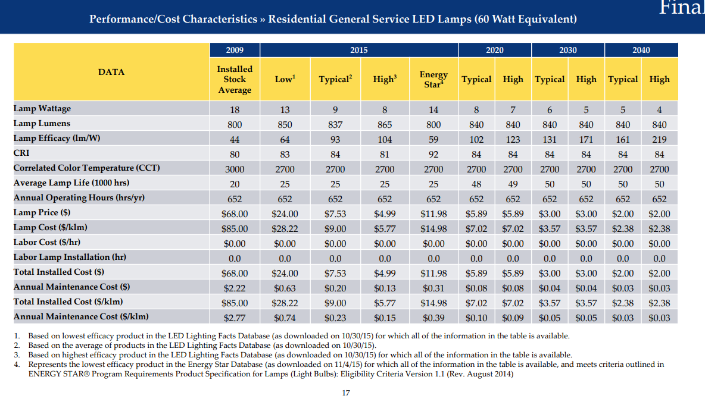

 |  |  |  |  |  |  | 2020 | 2030 | 2040
 |  |  |  |  |  | Percent Difference between Typical and High Wattage | 13% | 17% | 20%

 |  |  |  |  |  | *DoE predicts that by 2035, nearly 85% of all residential and commercial lighting will be LED. For this reason,
 |  |  |  |  |  | we use the efficiency potential for LED lighting to determine a policy setting.

Envelope
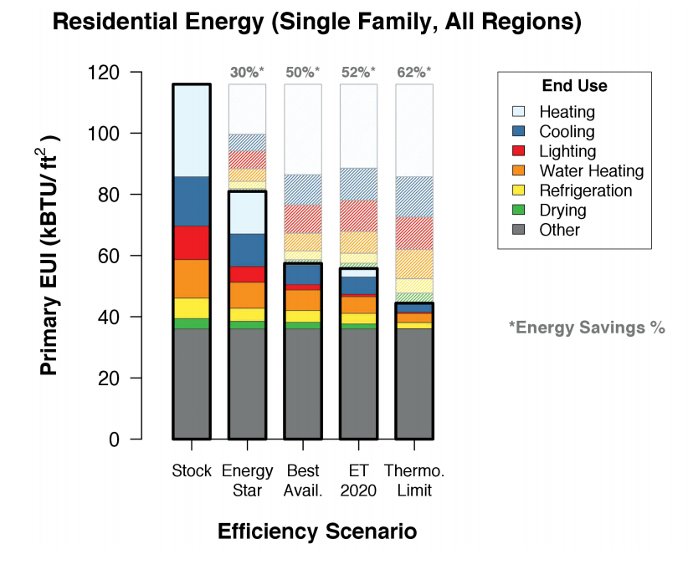
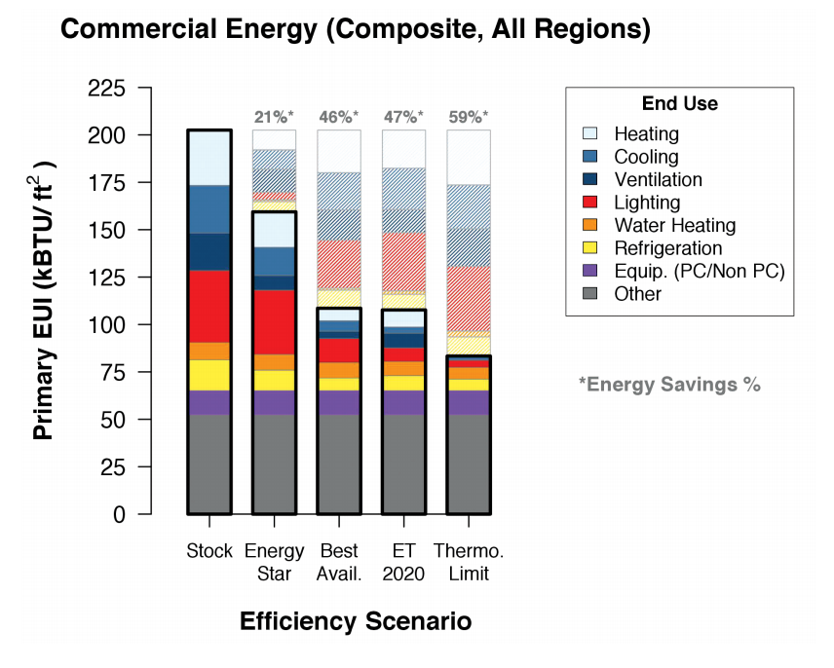

Envelope efficiency improvements in the EPS are applied to lowering heating and cooling demand. The DoE projects that even without fuel switching, there is the potential
to essentially eliminate space heating demand in residential and commercial buildings, and eliminate somewhere between 50-90% of cooling demand. Based on the above
figures, we choose efficiency improvements of 75% for both residential and commercial buildings, phased in through 2050.

Other Components

Table 5-1: Assumed marginal efficiency levels for residential electric end uses in 2050 relative to 2006 by scenario and dwelling type
 | 2050 End-Use Marginal Efficiency Relative to 2006 (100% = 2006 Efficiency Level)
 | Optimistic Efficiency Technology |  | Green Dream
End Use | Existing (%) | New (%) | Existing (%) | New (%) |  | Additional Improvement Potential in 2050
Water Heating | 95 | 95 | 50 | 50 | Appliances | 0.47368421053
Dishwasher | 100 | 100 | 70 | 70 | Appliances | 0.3
Water Heating - Dishwasher | 95 | 95 | 50 | 50 | Appliances | 0.47368421053
Clothes Washer | 105 | 105 | 110 | 110 | Exclude | -0.047619047619
Water Heating - Clothes Washer | 80 | 80 | 35 | 35 | Appliances | 0.5625
Clothes Dryer | 70 | 70 | 50 | 50 | Appliances | 0.28571428571
Other | 90 | 90 | 80 | 80 | Other Component | 0.11111111111
Cooking | 100 | 100 | 90 | 90 | Appliances | 0.1
Refrigerator | 80 | 80 | 40 | 40 | Appliances | 0.5
Freezer | 80 | 80 | 50 | 50 | Appliances | 0.375
Swimming Pool Pump | 90 | 90 | 80 | 80 | Other Component | 0.11111111111
Hot Tub Pump | 95 | 95 | 90 | 90 | Exclude | 0.052631578947
Hot Tub Heating | 95 | 95 | 90 | 90 | Exclude | 0.052631578947
Lighting | 80 | 50 | 30 | 30 | Lighting | 0.4
Space Heating | 90 | 90 | 70 | 70 | Heating | 0.22222222222
Furnace Fan | 95 | 90 | 80 | 80 | Exclude | 0.11111111111
Central Air Conditioner | 80 | 65 | 60 | 30 | Cooling and Ventilation | 0.53846153846
Room Air Conditioner | 90 | 90 | 70 | 70 | Cooling and Ventilation | 0.22222222222

Other Components Potential | 11%

